Title
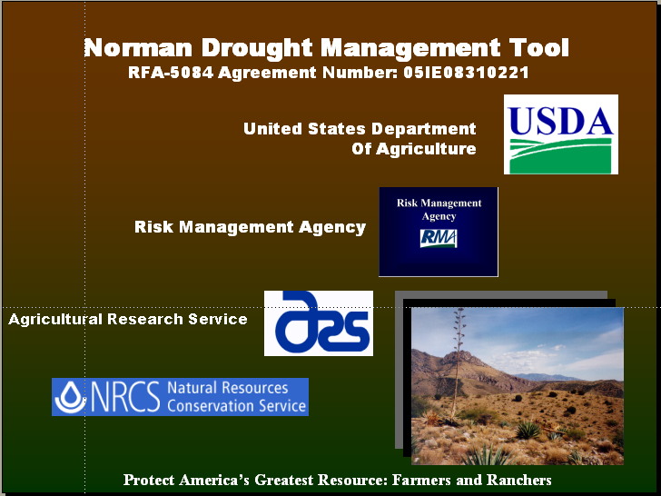

DROUGHT MANAGEMENT CALCULATOR
CALCULATOR

Instructions
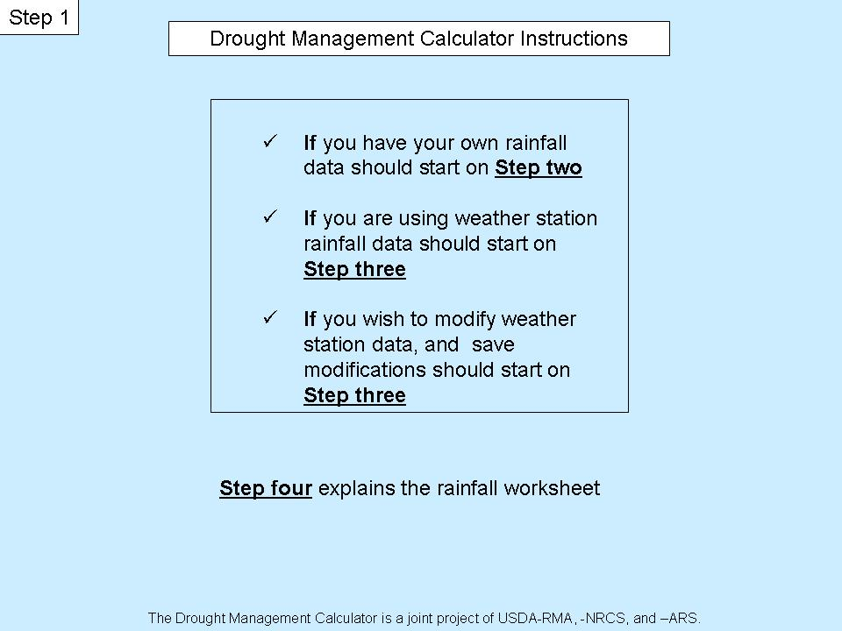
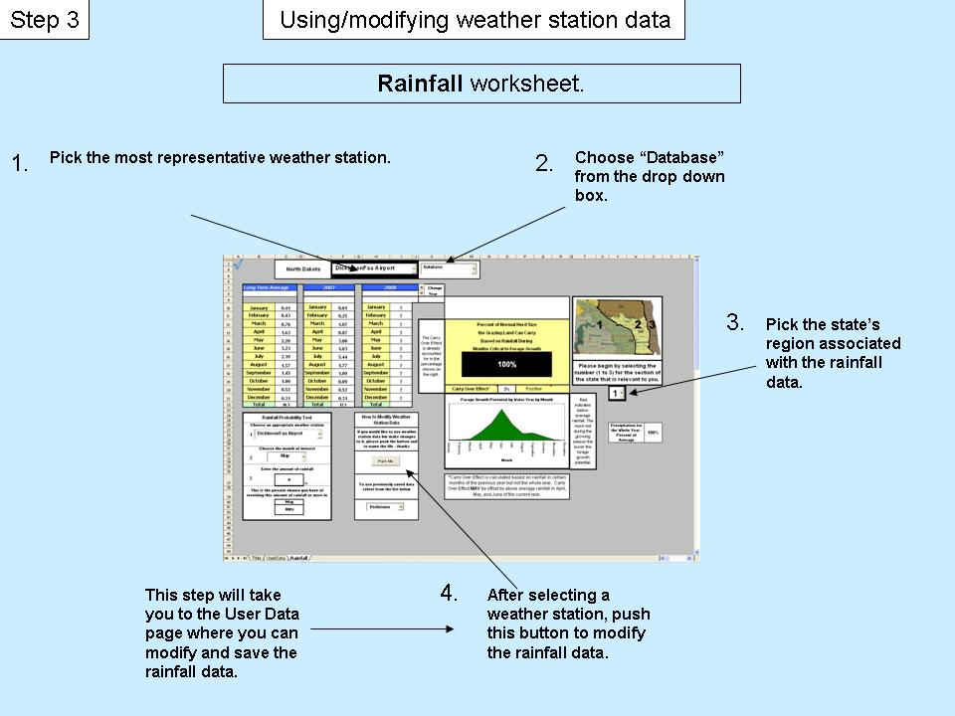

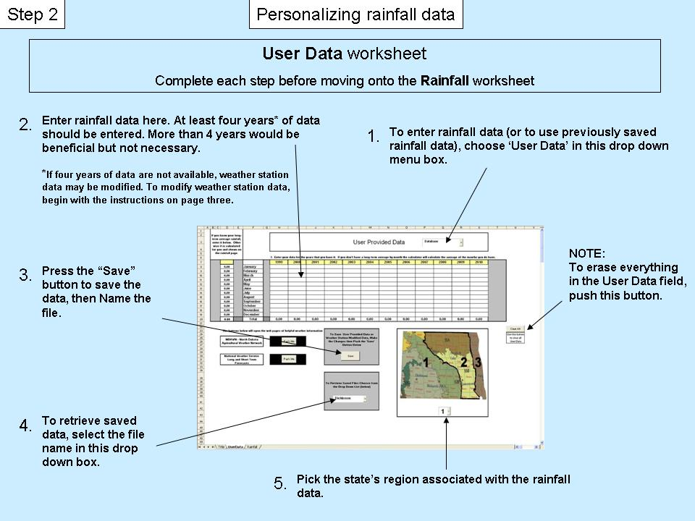
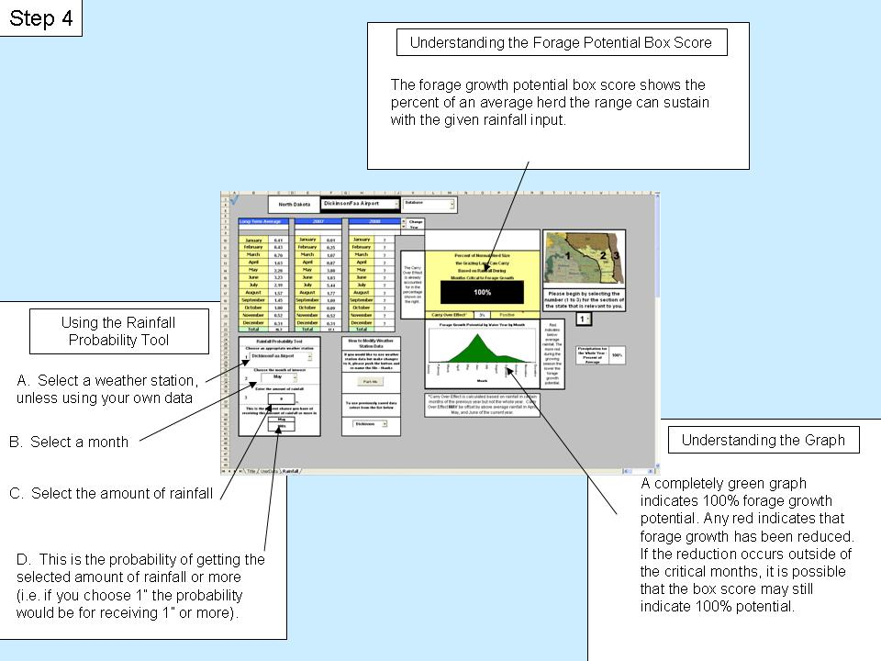

Rainfall
 |  |  |  |  |  |  |  | ?
 | Utah

 |  |  |  |  | 4.00
Long-Term Average |  |  | 2007 |  |  | 2008 |  |  | Change
 |  |  |  |  |  |  |  |  | Year
 |  |  | 2006 | 2007 |  | 2007 | 2008
January | 0.53 | 0.53333333333 | January | 0.25 |  | January | ?
February | 0.46 | 0.46222222222 | February | 0.67 |  | February | ?
March | 1.05 | 1.0544444444 | March | 2.28 |  | March | ? |  | The Carry Over Effect is already accounted for in the percentage shown on the right. | Percent of Normal Herd Size
April | 1.11 | 1.1088888889 | April | 0.46 |  | April | ? |  |  | the Grazing Land Can Carry
May | 3.38 | 3.3755555556 | May | 5.74 |  | May | ? |  |  |  |  | Based on Rainfall During
June | 3.72 | 3.72 | June | 3.87 |  | June | ? |  |  |  | Months Critcal to Forage Growth
July | 3.53 |  | July | 3.94 |  | July | ? |  |  |  | 100%
August | 3.11 | 3.1122222222 | August | 2.64 |  | August | ? |  |  |  |  |  |  |  |  | Please begin by selecting the number (1 to 3) for the section of the state that is relevant to you.
September | 1.54 | 1.5355555556 | September | 1.87 |  | September | ?
October | 1.38 | 1.3833333333 | October | 1.32 |  | October | ?
November | 0.77 | 0.77 | November | 0.75 |  | November | ? |  |  | Carry Over Effect* |  |  | 2% | Positive
Forage Growth Potential by Water Year by Month
 | long
0.77 | 0.0054342547741
LT | 0.0047096874709
 | 0.04079487134
0.01 | 0.047511123422
0.00 | 0.25795728131
0.04 | 0.45484712459
0.05 | 0.89891631055
0.25 | 0.76106738111
0.45 | 0.20022346423
0.88
0.75
0.20
Forage Growth Potential by Water Year by Month
 | long
January | 0.005333 | 0.0054342547741
February | 0.004622 | 0.0047096874709
March | 0.040037 | 0.04079487134
April | 0.046629 | 0.047511123422
May | 0.253167 | 0.25795728131
June | 0.446400 | 0.45484712459
July | 0.882222 | 0.89891631055
August | 0.746933 | 0.76106738111
September | 0.196505 | 0.20022346423
October | 0.092683 | 0.094437158746
November | 0.007700 | 0.0078457053301
December | 0.005944 | 0.0060569298003
December | 0.59 | 0.59444444444 | December | 0.55 |  | December | ? |  |  |  |  |  |  |  | Red indicates below average rainfall. The more red during the growing season the lower the forage growth potential.
Total | 21.2 |  | Total | 24.3 | 5 | Total |  | 1

Rainfall Probability Tool |  |  |  |  | How to Modify Weather Station Data |  |  |  |  |  |  |  |  |  |  |  |  |  | 8
1
Choose an appropriate weather station |  |  |  |  |  |  |  |  |  |  |  |  |  |  |  |  | Precipitation for the Whole Year - Percent of Average | 100%
 |  |  |  |  | If you would like to use weather station data but make changes to it, please push the button and re-name the file - thanks
1900-01-01

2
Choose the month of interest

3
 | 0
Enter the amount of rainfall

 | 0 |  | in. |  | To use previously saved data select from the list below |  |  |  |  | *Carry Over Effect is calculated based on rainfall in certain months of the previous year but not the whole year. Carry Over Effect MAY be offset by above average rainfall in April, May, and June of the current year.
This is the percent chance you have of receiving this amount of rainfall or more in

 | July
 | 78%

 |  |  |  |  |  |  |  |  | 1

